Question 7
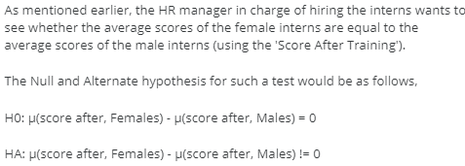
 |  |  | Sum of Score After Training | Gender
 |  |  | Intern No | F | M
 |  |  | 1 |  | 72
 |  |  | 2 | 91
 |  |  | 3 | 87
 |  |  | 4 |  | 79
 |  |  | 5 |  | 94
 |  |  | 6 |  | 93
t-Test: Two-Sample Assuming Equal Variances |  |  | 7 | 88
 |  |  | 8 |  | 93
 | Variable 1 | Variable 2 | 9 | 87
Mean | 86.55 | 85.35 | 10 | 76
Variance | 67.523684211 | 70.344736842 | 11 |  | 92
Observations | 20 | 20 | 12 | 98
Pooled Variance | 68.934210526 |  | 13 | 78
Hypothesized Mean Difference | 0 |  | 14 |  | 86
df | 38 |  | 15 |  | 97
t Stat | 0.45705013648 |  | 16 |  | 90
P(T<=t) one-tail | 0.32511861012 |  | 17 | 84
t Critical one-tail | 1.6859544602 |  | 18 |  | 89
P(T<=t) two-tail | 0.65023722024 |  | 19 | 91
t Critical two-tail | 2.0243941639 |  | 20 | 80
 |  |  | 21 | 85
 |  |  | 22 | 92
 |  |  | 23 |  | 79
 |  |  | 24 | 96
Question 8 |  |  | 25 | 73
 |  |  | 26 |  | 100
 |  |  | 27 | 76
 |  |  | 28 |  | 80
 |  |  | 29 | 99
t-statistic | 0.46 |  | 30 |  | 83
 |  |  | 31 |  | 76
 |  |  | 32 | 94
Question 9 |  |  | 33 |  | 72
 |  |  | 34 |  | 78
 |  |  | 35 |  | 91
 |  |  | 36 | 84
 |  |  | 37 | 75
cutoff t-statistic | 2.02 |  | 38 | 97
 |  |  | 39 |  | 77
 |  |  | 40 |  | 86
Question 10

As t-statistic is well within the cutoff value +/- 2.02, we accept the Null hypothesis.

